Objetivos
Lista de Objetivos:
1. Generos de juegos más y menos vendidos.
2. Generos más vendidos de cada región.
3. Consolas con la mayor cantidad de juegos desarrollados para las mismas.
4. Consolas con la mayor cantidad de juegos vendidos.
5. Regiones con el mayor número de ventas de juegos.

tablasDinamicas
Sum of Global_Sales
Genre | Total
Action | 1751.18
Adventure | 239.04
Fighting | 448.91
Misc | 809.96
Platform | 831.37
Puzzle | 244.95
Racing | 732.04
Role-Playing | 927.37
Shooter | 1037.37
Simulation | 392.2
Sports | 1330.93
Strategy | 175.12
Grand Total | 8920.44

 | Data
Genre | Norteamérica | Europa | Japón | Otras regiones
Action | 877.83 | 525 | 159.95 | 187.38
Adventure | 105.8 | 64.13 | 52.07 | 16.81
Fighting | 223.59 | 101.32 | 87.35 | 36.68
Misc | 410.24 | 215.98 | 107.76 | 75.32
Platform | 447.05 | 201.63 | 130.77 | 51.59
Puzzle | 123.78 | 50.78 | 57.31 | 12.55
Racing | 359.42 | 238.39 | 56.69 | 77.27
Role-Playing | 327.28 | 188.06 | 352.31 | 59.61
Shooter | 582.6 | 313.27 | 38.28 | 102.69
Simulation | 183.31 | 113.38 | 63.7 | 31.52
Sports | 683.35 | 376.85 | 135.37 | 134.97
Strategy | 68.7 | 45.34 | 49.46 | 11.36
Grand Total | 4392.95 | 2434.13 | 1291.02 | 797.75

 | Data
Platform | Ventas totales | Videojuegos desarrollados
2600 | 97.08 | 133
SAT | 33.59 | 173
3DO | 0.1 | 3
3DS | 247.46 | 509
DC | 15.97 | 52
DS | 822.49 | 2163
GB | 255.45 | 98
GBA | 318.5 | 822
GC | 199.36 | 556
GEN | 28.36 | 27
GG | 0.04 | 1
N64 | 218.88 | 319
NES | 251.07 | 98
NG | 1.44 | 12
PC | 258.82 | 960
PCFX | 0.03 | 1
PS | 730.66 | 1196
PS2 | 1255.64 | 2161
PS3 | 957.84 | 1329
PS4 | 278.1 | 336
PSP | 296.28 | 1213
PSV | 61.93 | 413
SCD | 1.87 | 6
SNES | 200.05 | 239
TG16 | 0.16 | 2
Wii | 926.71 | 1325
WiiU | 81.86 | 143
WS | 1.42 | 6
X360 | 979.96 | 1265
XB | 258.26 | 824
XOne | 141.06 | 213
Grand Total | 8920.44 | 16598

 | Data
 | Sum of NA_Sales | Sum of EU_Sales | Sum of JP_Sales | Sum of Other_Sales | Sum of Global_Sales
Total | 4392.95 | 2434.13 | 1291.02 | 797.75 | 8920.44

 | Region | Ventas globales por region
 | Norteamérica | 49.25%
 | Europa | 27.29%
 | Japón | 14.47%
 | Otras regiones | 8.94%
 |  | 99.95%

Dashboard
Mauro Sampayo Hernández
Data Mining 3CV15

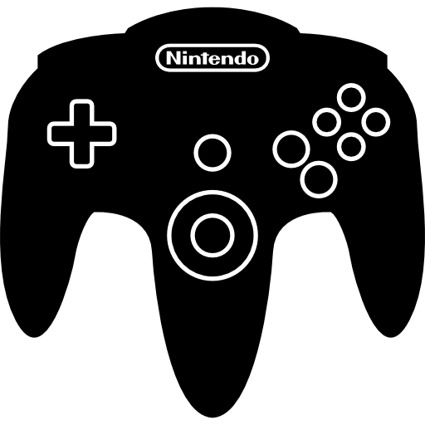

Videogame Sales Dashboard

 | Ventas totales | Videojuegos desarrollados
2600 | 97.08 | 133
SAT | 33.59 | 173
3DO | 0.1 | 3
3DS | 247.46 | 509
DC | 15.97 | 52
DS | 822.49 | 2163
GB | 255.45 | 98
GBA | 318.5 | 822
GC | 199.36 | 556
GEN | 28.36 | 27
GG | 0.04 | 1
N64 | 218.88 | 319
NES | 251.07 | 98
NG | 1.44 | 12
PC | 258.82 | 960
PCFX | 0.03 | 1
PS | 730.66 | 1196
PS2 | 1255.64 | 2161
PS3 | 957.84 | 1329
PS4 | 278.1 | 336
PSP | 296.28 | 1213
PSV | 61.93 | 413
SCD | 1.87 | 6
SNES | 200.05 | 239
TG16 | 0.16 | 2
Wii | 926.71 | 1325
WiiU | 81.86 | 143
WS | 1.42 | 6
X360 | 979.96 | 1265
XB | 258.26 | 824
XOne | 141.06 | 213
Ventas globales por género
Ventas globales por región
 | Ventas globales por region
Norteamérica | 49.25%
Europa | 27.29%
Japón | 14.47%
Otras regiones | 8.94%

 | Total
Action | 1751.18
Adventure | 239.04
Fighting | 448.91
Misc | 809.96
Platform | 831.37
Puzzle | 244.95
Racing | 732.04
Role-Playing | 927.37
Shooter | 1037.37
Simulation | 392.2
Sports | 1330.93
Strategy | 175.12

 | Norteamérica | Europa | Japón | Otras regiones
Action | 877.83 | 525 | 159.95 | 187.38
Adventure | 105.8 | 64.13 | 52.07 | 16.81
Fighting | 223.59 | 101.32 | 87.35 | 36.68
Misc | 410.24 | 215.98 | 107.76 | 75.32
Platform | 447.05 | 201.63 | 130.77 | 51.59
Puzzle | 123.78 | 50.78 | 57.31 | 12.55
Racing | 359.42 | 238.39 | 56.69 | 77.27
Role-Playing | 327.28 | 188.06 | 352.31 | 59.61
Shooter | 582.6 | 313.27 | 38.28 | 102.69
Simulation | 183.31 | 113.38 | 63.7 | 31.52
Sports | 683.35 | 376.85 | 135.37 | 134.97
Strategy | 68.7 | 45.34 | 49.46 | 11.36

Resultados
Resultados:
1. Los géneros de Acción, Deportes y Shooter son los más vendidos; mientras que los géneros de Estrategia, Aventura y Puzzle son los que menos ventas reportan.
2. El género más vendido en todas las regiones fuera de Japón es el de Acción. Dentro de Japón es el género de Role-Playing
3. Las consolas para las que fueron desarrolladas el mayor número de videojuegos son la Nintendo DS y la PS2.
4. Las consolas para las que más videjuegos se han vendido son la PS2, la PS3 y la Xbox360.
5. La región en dónde se venden mas videojuegos a nivel global es Norteamérica. Le siguen Europa y Japón.

